Sheet1
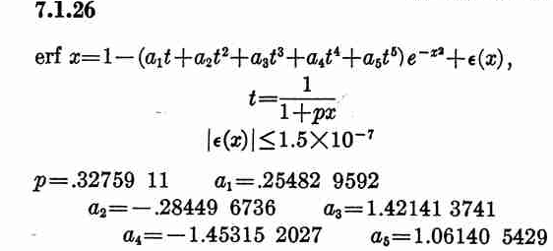

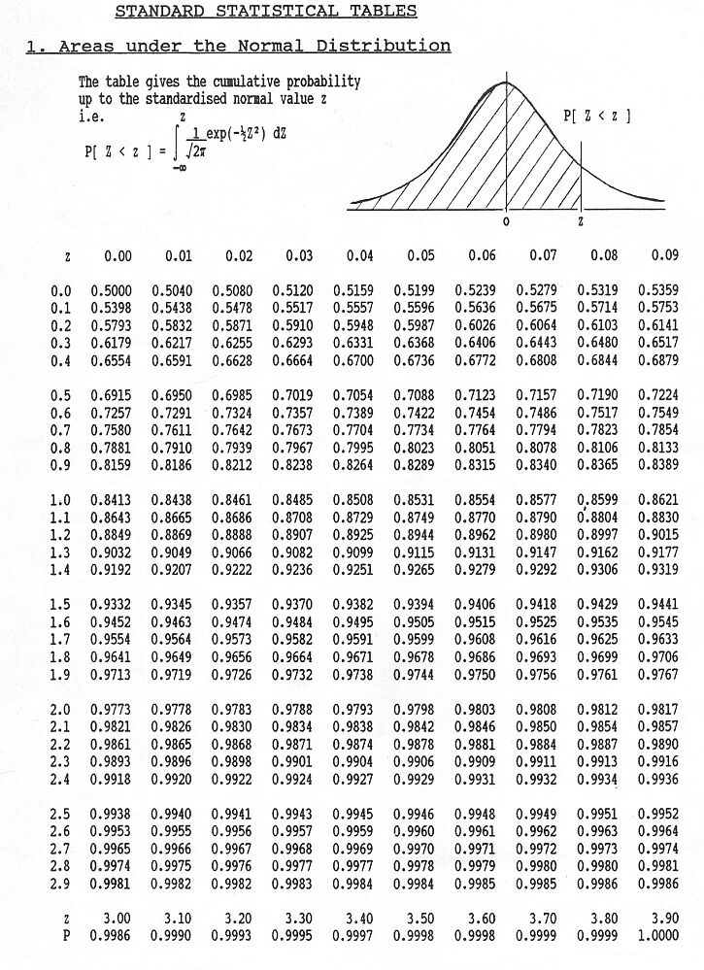

INPUT
x | 2.89
x/root 2 | 2.0435385976
a1 | 0.254829592
a2 | -0.284496736
a3 | 1.421413741
a4 | -1.453152027
a5 | 1.061405429
p | 0.3275911
t | 0.59900144407

OUTPUT
erf (x/root2)= | 1.00
Φ(x)= | 0.9981

Sheet2
INPUT
x= | 1.26
x/2½= | 0.8909545443
a= | 0.254829592
b= | -0.284496736
c= | 1.421413741
d= | -1.453152027
e= | 1.061405429
p= | 0.3275911
t=1/(1+px)= | 0.774072426

OUTPUT
erf (x/2½)= | 0.79
Φ(x)= | 0.89616525
≈ | 0.8961653
Excel Approximation
NORMDIST(x,0,1,1)=
 | 0.89616532
≈ | 0.8961653
The approximation is very close up to the 7th decimal place
The largest error is bounded by 1.5*10^(-7)

